Sheet1
Test Plan Summary
%pass | 100
%fail | 0
# of tests performed | 5

Test Plan Detail
Test Type | Test Objective | Screen shot | Steps | Test data | Expected result | Pass/Fail?
Security Test | User can only log in with the correct username and password | 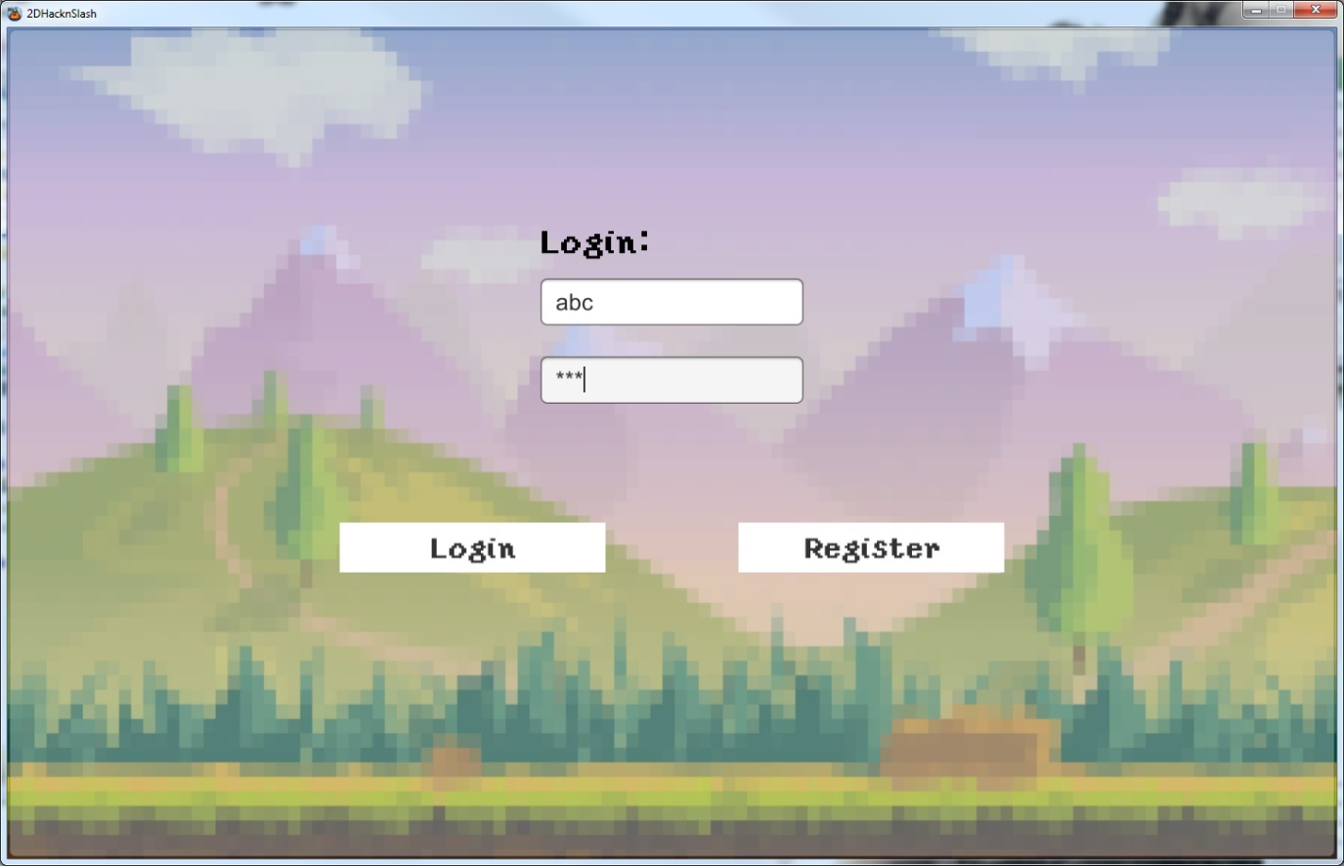 | 1. User Launches the game. 2. Types in his username and password 3. The game proceeds to the next menu if everything is correct 4. If something is incorrect it is displayed | Username: abc Password: abc | Next menu starts up | Pass
Other | 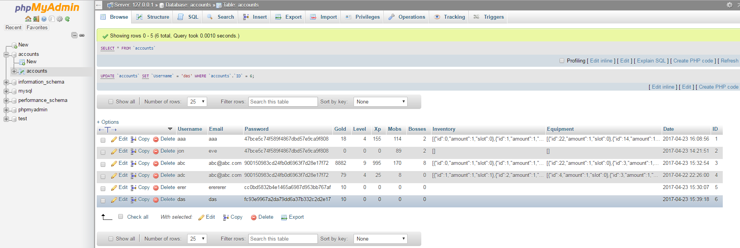 User registers a new account on the database. | 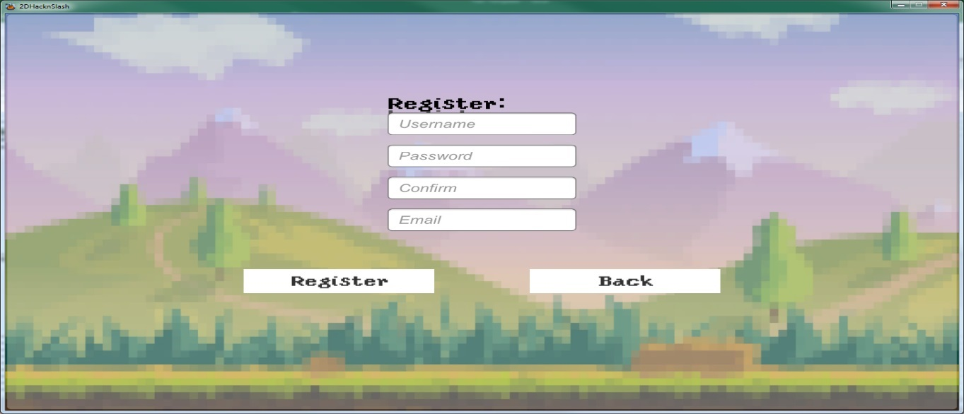 | 1. User Launches the game. 2. Types in the correct details 3. User clicks register 4. If everything Is right and database is online the imputs are cleared and success text is displayed. | Username: das Password: das Confirm: das Email: das | A new entry in the in the database appears with the users information | Pass
Unit Test | 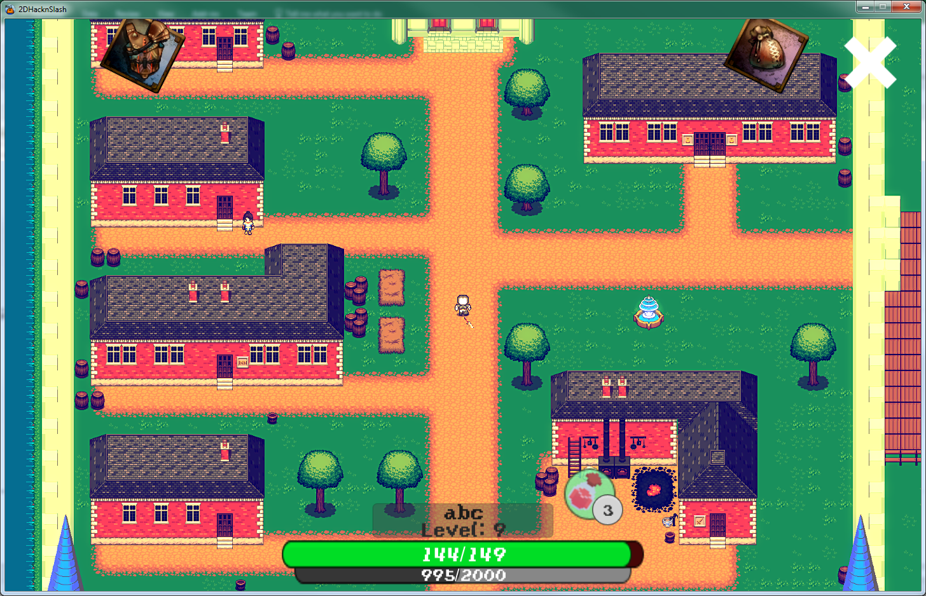 User initiates an attack |  | 1. User Clicks the attack button 2. If the user has a weapon equipped the attack initiates. | Attack button | User attacks | Pass
Unit Test | User equips an item and it is updated in the database | 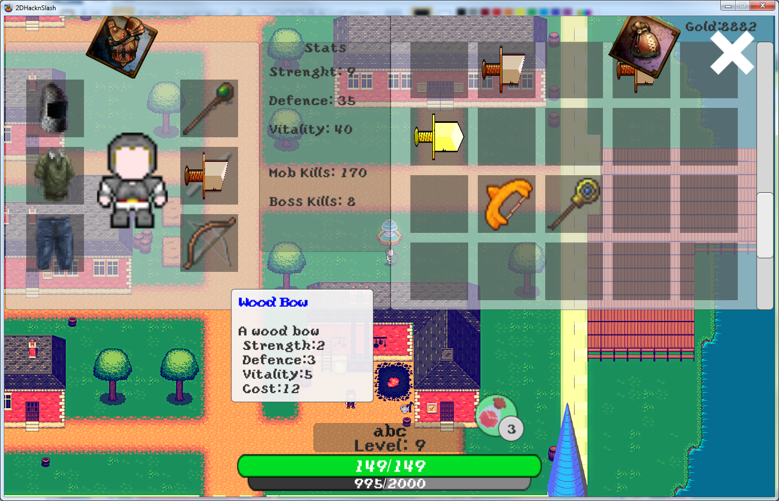 | 1. User Opens his inventory and equipment windows 2. User Drags an item onto a correct equipment slot 3. The updated equipment is synced with the online database | Item | Database updates | Pass
Unit Test | User hits a loading barier and initiates a loading screen while he is taken to a new scene. |  | 1. User Moves his player to an exit point 2. Loading screen starts 3. User starts in a new area | User | User is transported to a new area | Pass

